dashbaord
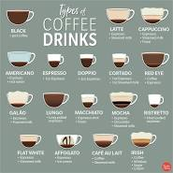
COFFEE SALES ANALYSIS DASHBAORD

Year wise trend
 | Total
2024 | 85830.8
Payement method for coffee
 | Total
card | 82644.8
cash | 3186

TOTAL SALES
$115431.58

85830.8



Best selling coffee
 | Total
Americano | 8728.02
Americano with Milk | 19436.58
Cappuccino | 13671.42
Cocoa | 5102.16
Cortado | 6652.22
Espresso | 2140.36
Hot Chocolate | 7669.26
Latte | 22430.78
Coffee sales based on year
 | Americano | Americano with Milk | Cappuccino | Cocoa | Cortado | Espresso | Hot Chocolate | Latte
2024 | 8728.02 | 19436.58 | 13671.42 | 5102.16 | 6652.22 | 2140.36 | 7669.26 | 22430.78

